Dashboard.Funnels
Funnel analysis dashboard

 | Percentage Helper | Percentage
Page view | 0.00% | 100.00%
View item | 38.65% | 22.70%
Add to cart | 47.68% | 4.65%
Begin checkout | 48.20% | 3.60%
Add payment info | 48.93% | 2.13%
Purchase | 49.18% | 1.64%
100.00%
22.70%
4.65%
3.60%
2.13%
1.64%
All countries
Unique users at each stage | Percentage of unique users at each stage
Percentage of users who add an item to cart after viewing the page: 4.65%
Percentage of users who complete a purchase after reaching the checkout: 45.49%
61,252
12,545
9,715
5,751
4,419
269,792
 | Percentage Helper | Percentage
Page view | 0.00% | 100.00%
View item | 38.61% | 22.78%
Add to cart | 47.63% | 4.73%
Begin checkout | 48.18% | 3.64%
Add payment info | 48.94% | 2.13%
Purchase | 49.18% | 1.64%
100.00%
22.78%
4.73%
3.64%
2.13%
1.64%
118,333
26,953
5,603
4,310
2,516
1,942
United States
Unique users at each stage | Percentage of unique users at each stage
Percentage of users who add an item to cart after viewing the page: 4.73%
Percentage of users who complete a purchase after reaching the checkout: 45.06%
 | Percentage Helper | Percentage
Page view | 0.00% | 100.00%
View item | 38.56% | 22.88%
Add to cart | 47.71% | 4.59%
Begin checkout | 48.27% | 3.47%
Add payment info | 48.97% | 2.07%
Purchase | 49.20% | 1.60%
100.00%
22.88%
4.59%
3.47%
2.07%
1.60%
25,331
5,795
1,162
878
524
406
India
Unique users at each stage | Percentage of unique users at each stage
Percentage of users who add an item to cart after viewing the page: 4.59%
Percentage of users who complete a purchase after reaching the checkout: 46.24%
 | Percentage Helper | Percentage
Page view | 0.00% | 100.00%
View item | 38.51% | 22.99%
Add to cart | 47.55% | 4.91%
Begin checkout | 48.11% | 3.77%
Add payment info | 48.85% | 2.30%
Purchase | 49.12% | 1.75%
100.00%
22.99%
4.91%
3.77%
2.30%
1.75%
20,242
4,653
993
764
465
355
Canada
Unique users at each stage | Percentage of unique users at each stage
Percentage of users who add an item to cart after viewing the page: 4.91%
Percentage of users who complete a purchase after reaching the checkout: 46.47%

 | Percentage Helper | Percentage
Page view | 0.00% | 100.00%
View item | 36.46% | 27.08%
Add to cart | 48.70% | 2.60%
Begin checkout | 47.34% | 5.33%
Add payment info | 48.66% | 2.68%
Purchase | 49.03% | 1.93%
100.00%
27.08%
2.60%
5.33%
2.68%
1.93%
21,440
2,060
4,219
2,121
1,532
79,181
All countries: November
Unique users at each stage | Percentage of unique users at each stage
Percentage of users who add an item to cart after viewing the page: 2.60%*
*Add to cart option introduced on 16th November
Percentage of users who complete a purchase after reaching the checkout: 36.31%

 | Percentage Helper | Percentage
Page view | 0.00% | 100.00%
View item | 38.99% | 22.01%
Add to cart | 46.58% | 6.84%
Begin checkout | 48.15% | 3.71%
Add payment info | 48.80% | 2.39%
Purchase | 49.05% | 1.90%
100.00%
22.01%
6.84%
3.71%
2.39%
1.90%
22,906
7,113
3,859
2,492
1,975
104,062
All countries: December
Unique users at each stage | Percentage of unique users at each stage
Percentage of users who add an item to cart after viewing the page: 6.84%
Percentage of users who complete a purchase after reaching the checkout: 51.18%

 | Percentage Helper | Percentage
Page view | 0.00% | 100.00%
View item | 38.99% | 22.01%
Add to cart | 46.58% | 6.84%
Begin checkout | 48.15% | 3.71%
Add payment info | 48.80% | 2.39%
Purchase | 49.05% | 1.90%
100.00%
20.74%
4.05%
2.03%
1.47%
1.13%
19,629
3,832
1,924
1,395
1,069
94,630
All countries: January
Unique users at each stage | Percentage of unique users at each stage
Percentage of users who add an item to cart after viewing the page: 4.05%
Percentage of users who complete a purchase after reaching the checkout: 55.56%

Summary:
On average across all countries, 1.64% of users who visit the company's webpage go on to make a purchase. January was the lowest performing month, with only 1.13% of users who visited the page that month making a purchase.
Around 45% of users who reach the checkout stage go on to complete their purchase. This conversion rate varied dramatically from a low of 36% in November to a high of 55% in January.
The most purchases occurred in December (1,975 individual users purchased at least one item), of which the United States was responsible for over 40% (862). Purchases in January for all countries were almost half the number of December (1,069 individual users across all countries).
Possible interpretation:
It may be that the purchase rate relative to page views is linked to seasonal variations associated with Christmas. Overall purchases are lowest in January: one reason may be that customers have already bought items ready for Christmas in November and December, and therefore are less likely to buy in January.
Low purchase rates in November for those users reaching the checkout may also be explained by seasonal variation: it may also be that the website was less user-friendly in November (as demonstrated by the presumed lack of an 'add to cart' button until mid-November).
Recommendations:
I hesitate to recommend any action without a few more months' worth of data. If the patterns are seasonal, that will become evident in later months.
Over the coming months, I would analyse whether the Add to cart | Page view ratio is continuing to dip. If so, the company should focus on making the products more appealing to customers or the design of the website more enticing. In other words, why are users clicking on our page but then not finding any items that they would like to purchase?

A_B test.NewYear
New Year campaign - A/B test

Hypothesis
Null hypothesis (H₀):
There is no significant difference between the conversion rates for the New_Year_V1 (control) and NewYear_V2 (variant) campaigns.
Alternative hypothesis (H_{a}):
There is a significant difference between the conversion rates for the NewYear_V1 and NewYear_V2 campaigns.
Significance level: 0.05
No. of tails: 2

Results

Month | Campaign | Impressions | Clicks_Upd | COV(%)
202101 | NewYear_V1 | 4430 | 57 | 1.29%
202101 | NewYear_V2 | 13039 | 30 | 0.23%

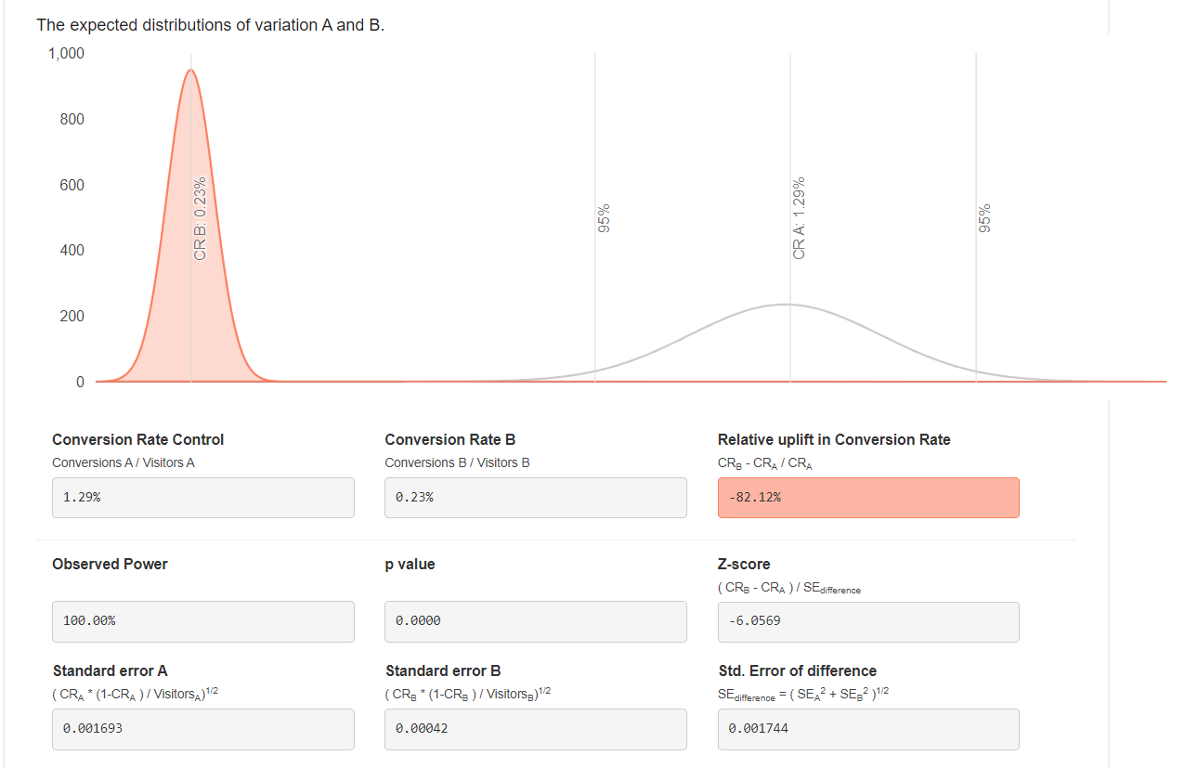
Source: A/B-Test Calculator

Validation
p-value: | 0.000

Interpretation
There is enough evidence to reject the null hypothesis with 95% confidence (at a 5% significance level). There is also enough evidence to reject the null hypothesis with 99% confidence, although this is beyond the scope of my initial test.
We can conclude with statistical significance that version 1 of the New Year campaign has a higher conversion rate than version 2.
(Note: I changed from the Binomial calculator to an online version, because the binomial calculator seemed to do only one-tailed tests and I couldn't trust the uplift values.)

A_B test.BlackFriday
Black Friday campaign - A/B test

Hypothesis
Null hypothesis (H₀):
There is no significant difference between the conversion rates for the Black Friday_V1 and Black Friday_V2 campaigns.
Alternative hypothesis (H_{a}):
There is a significant difference between the conversion rates for the Black Friday_V1 and Black Friday_V2 campaigns.
Significance level: 0.05
No. of tails: 2

Results

Month | Campaign | Impressions | Clicks_Upd | COV(%)
202011 | BlackFriday_V1 | 8220 | 8 | 0.10%
202011 | BlackFriday_V2 | 24276 | 24 | 0.10%

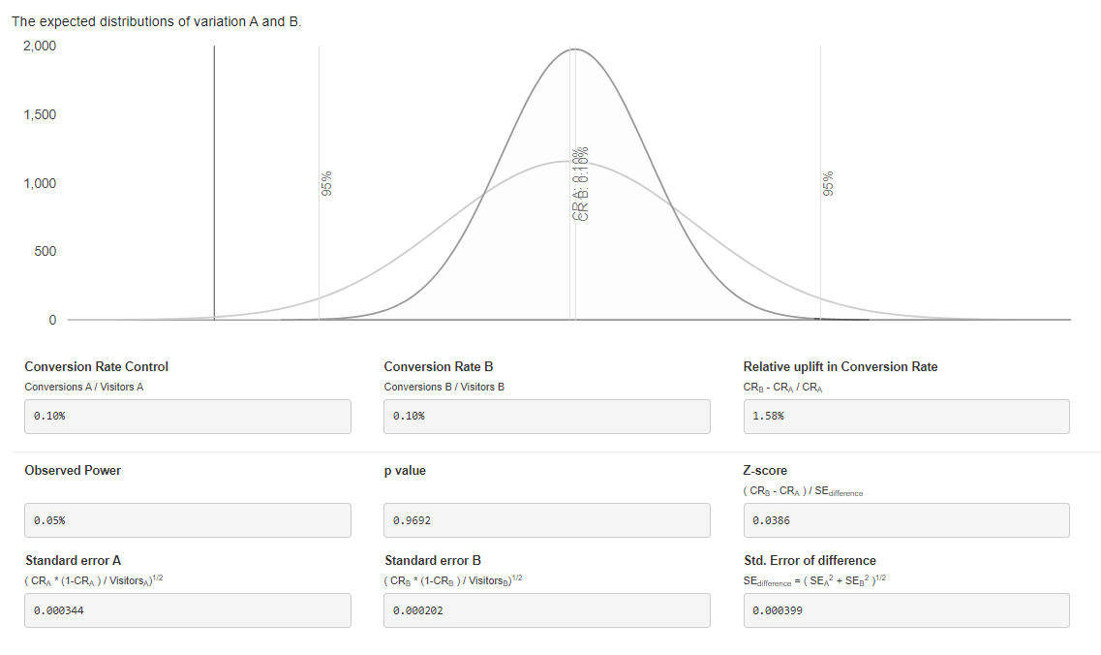
Source: A/B-Test Calculator

Validation
p-value: | 0.96920214442

Interpretation
There is not enough evidence to reject the null hypothesis with 95% confidence (at a 5% significance level).
We can conclude that there is no significant difference between the two campaigns.

Funnels.SQL
Link to SQL code:
https://console.cloud.google.com/bigquery?sq=147855269776:2f3b9cc85af642ffbe8acb228b6e71fc
Link to SQL code:
https://console.cloud.google.com/bigquery?sq=147855269776:16df9a78745044a28c78118d93c144bf

/*
Code #1: Unique users over the whole time period
-----
I have two SQL codes:
1) Unique users over the whole time period
2) Unique users per month
In this code (below), I have assumed that a user who makes a purchase (or is involved in any other stage) in November, December and January should be counted only once. I am showing unique users.
I have used this code for my funnels where I give an overview by country (not including any months),
*/
SELECT
event_name AS stage,
COUNT (DISTINCT user_pseudo_id) AS unique_user_visits,
FROM `tc-da-1.turing_data_analytics.raw_events` AS raw_events
WHERE event_name IN ('page_view','view_item','add_to_cart','begin_checkout','add_payment_info','purchase')
-- AND country = 'Canada'
GROUP BY 1
ORDER BY 2 DESC
/*
Code #2: Unique users per month
-----
I have two SQL codes:
1) Unique users over the whole time period
2) Unique users per month
In this code (below), I have assumed that a user who makes a purchase (or is involved in any other stage) in November, December and January should be counted three times (once in each month's statistics). I am showing unique users per month.
As a result, if you sum the months of November, December and January together, you will have a slightly higher number than in the overview graph. This is expected, but I believe more useful than the alternative.
I have used this code for my funnels and tables where month is referred to.
*/
WITH
users_by_country AS (
SELECT
user_pseudo_id,
MAX(country) AS country
FROM `turing_data_analytics.raw_events` AS raw_events
WHERE country IN ('United States', 'India', 'Canada')
GROUP BY 1
)
,
raw_events_year_formatted AS (
SELECT
user_pseudo_id,
event_date,
event_name,
FORMAT_DATE('%Y%m', PARSE_DATE('%Y%m%d', event_date)) AS year_month
FROM `tc-da-1.turing_data_analytics.raw_events` AS raw_events
WHERE event_name IN ('page_view','view_item','add_to_cart','begin_checkout','add_payment_info','purchase')
)
,
/* To calculate the unique users overall, I have "commented" out the 'year_month' column from all subsequent CTEs. */
raw_events_partitioned AS (
SELECT
user_pseudo_id,
event_date,
event_name,
-- year_month,
-- ROW_NUMBER() OVER (PARTITION BY user_pseudo_id,event_name,year_month ORDER BY event_date) AS row_num,
ROW_NUMBER() OVER (PARTITION BY user_pseudo_id,event_name ORDER BY event_date) AS row_num,
FROM raw_events_year_formatted
)
,
distinct_events_by_user_by_month AS (
SELECT
user_pseudo_id,
event_date,
event_name,
-- year_month,
row_num
FROM raw_events_partitioned
WHERE row_num = 1
)
,
aggregated_data_by_country AS (
SELECT
users_by_country.country,
-- distinct_events_by_user_by_month.year_month AS month,
distinct_events_by_user_by_month.event_name AS stage,
COUNT(distinct_events_by_user_by_month.event_name) AS unique_user_visits
FROM distinct_events_by_user_by_month
JOIN users_by_country
ON distinct_events_by_user_by_month.user_pseudo_id = users_by_country.user_pseudo_id
GROUP BY 1,2
ORDER BY 1 ASC, 3 DESC
-- GROUP BY 1,2,3
-- ORDER BY 1 ASC, 4 DESC
)
SELECT *
FROM aggregated_data_by_country

A_B_test.SQL
Link to SQL code:
https://console.cloud.google.com/bigquery?sq=147855269776:856701df9c6f4a0dbfc49abc50893845

WITH raw_ev_page_views AS (
SELECT
campaign,
COUNT (DISTINCT user_pseudo_id) AS clicks_upd
FROM `tc-da-1.turing_data_analytics.raw_events` AS raw_ev
WHERE event_name = 'page_view'
AND campaign IN ('NewYear_V1', 'NewYear_V2', 'BlackFriday_V1', 'BlackFriday_V2')
GROUP BY 1
)
,
ads_month_partition AS (
SELECT
Month AS month,
Campaign AS campaign,
Impressions AS impressions,
Clicks AS clicks,
FROM `tc-da-1.turing_data_analytics.adsense_monthly` AS ads_mon
WHERE month <> 202111
)
,
output AS (
SELECT
month,
ads_month_partition.campaign,
impressions,
raw_ev_page_views.clicks_upd AS clicks
FROM ads_month_partition
JOIN raw_ev_page_views
ON raw_ev_page_views.campaign = ads_month_partition.campaign
)
SELECT *
FROM output

Data.Funnels
100.00%
27.08%
2.60%
5.33%
2.68%
1.93%
21,440
2,060
4,219
2,121
1,532
79,181
Funnel analysis: all countries; November
Unique users at each stage | Percentage of unique users at each stage
Percentage of users who add an item to cart after viewing the page: 2.60% ('Add to cart' option introduced on 16th November)
Percentage of users who complete a purchase after reaching the checkout: 36.31%
100.00%
22.70%
4.65%
3.60%
2.13%
1.64%
269,792
61,252
12,545
9,715
5,751
4,419
Funnel analysis: all countries
Unique users at each stage | Percentage of unique users at each stage
Percentage of users who add an item to cart after viewing the page: 4.65%
Percentage of users who complete a purchase after reaching the checkout: 45.49%
 |  |  |  |  |  | All - November
All |  |  |  |  |  | *'Add to cart' introduced on 16th November |  |  |  | All - December |  |  |  | All - January |  |  |  | All - Mobile |  |  |  | All - Desktop
Stage | UniqueUserVisits | Percentage | Percentage Helper |  |  | Stage | UniqueUserVisits | Percentage | Percentage Helper | Stage | UniqueUserVisits | Percentage | Percentage Helper | Stage | UniqueUserVisits | Percentage | Percentage Helper | Stage | UniqueUserVisits | Percentage | Percentage Helper | Stage | UniqueUserVisits | Percentage | Percentage Helper
Page view | 269,792 | 100.00% | 0.00% |  |  | Page view | 79,181 | 100.00% | 0.00% | Page view | 104,062 | 100.00% | 0.00% | Page view | 94,630 | 100.00% | 0.00% | Page view | 109,005 | 100.00% | 0.00% | Page view | 158,646 | 100.00% | 0.00%
View item | 61,252 | 22.70% | 38.65% |  |  | View item | 21,440 | 27.08% | 36.46% | View item | 22,906 | 22.01% | 38.99% | View item | 19,629 | 20.74% | 36.46% | View item | 24,810 | 22.76% | 38.62% | View item | 36,323 | 22.90% | 38.55%
Add to cart | 12,545 | 4.65% | 47.68% |  |  | Add to cart | 2,060 | 2.60% | 48.70% | Add to cart | 7,113 | 6.84% | 46.58% | Add to cart | 3,832 | 4.05% | 48.70% | Add to cart | 5,142 | 4.72% | 47.64% | Add to cart | 7,384 | 4.65% | 47.67%
Begin checkout | 9,715 | 3.60% | 48.20% |  |  | Begin checkout | 4,219 | 5.33% | 47.34% | Begin checkout | 3,859 | 3.71% | 48.15% | Begin checkout | 1,924 | 2.03% | 47.34% | Begin checkout | 3,968 | 3.64% | 48.18% | Begin checkout | 5,665 | 3.57% | 48.21%
Add payment info | 5,751 | 2.13% | 48.93% |  |  | Add payment info | 2,121 | 2.68% | 48.66% | Add payment info | 2,492 | 2.39% | 48.80% | Add payment info | 1,395 | 1.47% | 48.66% | Add payment info | 2,387 | 2.19% | 48.91% | Add payment info | 3,352 | 2.11% | 48.94%
Purchase | 4,419 | 1.64% | 49.18% |  |  | Purchase | 1,532 | 1.93% | 49.03% | Purchase | 1,975 | 1.90% | 49.05% | Purchase | 1,069 | 1.13% | 49.03% | Purchase | 1,851 | 1.70% | 49.15% | Purchase | 2,541 | 1.60% | 49.20%

Add to cart | Page view |  | 4.65% |  |  |  | Add to cart | Page view |  | 2.60% |  | Add to cart | Page view |  | 6.84% |  | Add to cart | Page view |  | 4.05% |  | Add to cart | Page view |  | 4.72% |  | Add to cart | Page view |  | 4.65%
Purchase | Checkout |  | 45.49% |  |  |  | Purchase | Checkout |  | 36.31% |  | Purchase | Checkout |  | 51.18% |  | Purchase | Checkout |  | 55.56% |  | Purchase | Checkout |  | 46.65% |  | Purchase | Checkout |  | 44.85%

100.00%
20.74%
4.05%
2.03%
1.47%
1.13%
19,629
3,832
1,924
1,395
1,069
94,630
Funnel analysis: all countries; January
Unique users at each stage | Percentage of unique users at each stage
Percentage of users who add an item to cart after viewing the page: 4.05%
Percentage of users who complete a purchase after reaching the checkout: 55.56%
Stage | UniqueUserVisits | Percentage | Percentage Helper
Page view | 277,873 | 100.00% | 0.00%
View item | 63,975 | 23.02% | 38.49%
Add to cart | 13,005 | 4.68% | 47.66%
Begin checkout | 10,002 | 3.60% | 48.20%
Add payment info | 6,008 | 2.16% | 48.92% |  |  |  |  |  |  |  |  |  |  |  |  |  |  |  | 4,392
Purchase | 4,576 | 1.65% | 49.18%

100.00%
22.01%
6.84%
3.71%
2.39%
1.90%
22,906
7,113
3,859
2,492
1,975
104,062
Funnel analysis: all countries; December
Unique users at each stage | Percentage of unique users at each stage
Percentage of users who add an item to cart after viewing the page: 6.84%
Percentage of users who complete a purchase after reaching the checkout: 51.18%
Add to cart | Page view |  | 4.68%
Purchase | Checkout |  | 45.75%

100.00%
22.78%
4.73%
3.64%
2.13%
1.64%
118,333
26,953
5,603
4,310
2,516
1,942
Funnel analysis: United States
Unique users at each stage | Percentage of unique users at each stage
Percentage of users who add an item to cart after viewing the page: 4.73%
Percentage of users who complete a purchase after reaching the checkout: 45.06%
 |  |  |  |  |  | United States: November |  |  |  | United States: December |  |  |  | United States: January
United States |  |  |  |  |  |  |  |  |  |  |  |  |  |  |  |  |  | United States - Mobile |  |  |  | United States - Desktop
Stage | UniqueUserVisits | Percentage | Percentage Helper |  |  | Stage | Unique User Visits | Percentage |  | Stage | Unique User Visits | Percentage |  | Stage | Unique User Visits | Percentage |  | Stage | UniqueUserVisits | Percentage | Percentage Helper | Stage | UniqueUserVisits | Percentage | Percentage Helper
Page view | 118,333 | 100.00% | 0.00% |  |  | Page view | 34,777 | 100.00% |  | Page view | 45,538 | 100.00% |  | Page view | 41,499 | 100.00% |  | Page view | 47,685 | 100.00% | 0.00% | Page view | 69,718 | 100.00% | 0.00%
View item | 26,953 | 22.78% | 38.61% |  |  | View item | 9,466 | 27.22% |  | View item | 10,052 | 22.07% |  | View item | 8,643 | 20.83% |  | View item | 10,904 | 22.87% | 38.57% | View item | 16,006 | 22.96% | 38.52%
Add to cart | 5,603 | 4.73% | 47.63% |  |  | Add to cart | 935 | 2.69% |  | Add to cart | 3,156 | 6.93% |  | Add to cart | 1,721 | 4.15% |  | Add to cart | 2,323 | 4.87% | 47.56% | Add to cart | 3,278 | 4.70% | 47.65%
Begin checkout | 4,310 | 3.64% | 48.18% |  |  | Begin checkout | 1,896 | 5.45% |  | Begin checkout | 1,702 | 3.74% |  | Begin checkout | 830 | 2.00% |  | Begin checkout | 1,744 | 3.66% | 48.17% | Begin checkout | 2,539 | 3.64% | 48.18%
Add payment info | 2,516 | 2.13% | 48.94% |  |  | Add payment info | 945 | 2.72% |  | Add payment info | 1,082 | 2.38% |  | Add payment info | 599 | 1.44% |  | Add payment info | 1,029 | 2.16% | 48.92% | Add payment info | 1,495 | 2.14% | 48.93%
Purchase | 1,942 | 1.64% | 49.18% |  |  | Purchase | 684 | 1.97% |  | Purchase | 862 | 1.89% |  | Purchase | 465 | 1.12% |  | Purchase | 807 | 1.69% | 49.15% | Purchase | 1,131 | 1.62% | 49.19%

Add to cart | Page view |  | 4.73% |  |  |  | Add to cart | Page view |  | 2.69% |  | Add to cart | Page view |  | 6.93% |  | Add to cart | Page view |  | 4.15%
Purchase | Checkout |  | 45.06% |  |  |  | Purchase | Checkout |  | 36.08% |  | Purchase | Checkout |  | 50.65% |  | Purchase | Checkout |  | 56.02%

 |  |  |  |  | 4.65% | *Add to cart introduced on 16th November
 |  |  |  |  | 45.49%

100.00%
22.88%
4.59%
3.47%
2.07%
1.60%
25,331
5,795
1,162
878
524
406
Funnel analysis: India
Unique users at each stage | Percentage of unique users at each stage
Percentage of users who add an item to cart after viewing the page: 4.59%
Percentage of users who complete a purchase after reaching the checkout: 46.24%
 |  |  |  |  |  | India: November |  |  |  | India: December |  |  |  | India: January
India |  |  |  |  |  |  |  |  |  |  |  |  |  |  |  |  |  | India - Mobile |  |  |  | India - Desktop
Stage | UniqueUserVisits | Percentage | Percentage Helper |  |  | Stage | Unique User Visits | Percentage |  | Stage | Unique User Visits | Percentage |  | Stage | Unique User Visits | Percentage |  | Stage | UniqueUserVisits | Percentage | Percentage Helper | Stage | UniqueUserVisits | Percentage | Percentage Helper
Page view | 25,331 | 100.00% | 0.00% |  |  | Page view | 7,447 | 100.00% |  | Page view | 9,749 | 100.00% |  | Page view | 8,899 | 100.00% |  | Page view | 10,202 | 100.00% | 0.00% | Page view | 14,891 | 100.00% | 0.00%
View item | 5,795 | 22.88% | 38.56% |  |  | View item | 2,060 | 27.66% |  | View item | 2,152 | 22.07% |  | View item | 1,842 | 20.70% |  | View item | 2,333 | 22.87% | 38.57% | View item | 3,437 | 23.08% | 38.46%
Add to cart | 1,162 | 4.59% | 47.71% |  |  | Add to cart | 206 | 2.77% |  | Add to cart | 683 | 7.01% |  | Add to cart | 313 | 3.52% |  | Add to cart | 474 | 4.65% | 47.68% | Add to cart | 686 | 4.61% | 47.70%
Begin checkout | 878 | 3.47% | 48.27% |  |  | Begin checkout | 384 | 5.16% |  | Begin checkout | 369 | 3.79% |  | Begin checkout | 155 | 1.74% |  | Begin checkout | 351 | 3.44% | 48.28% | Begin checkout | 517 | 3.47% | 48.26%
Add payment info | 524 | 2.07% | 48.97% |  |  | Add payment info | 196 | 2.63% |  | Add payment info | 256 | 2.63% |  | Add payment info | 98 | 1.10% |  | Add payment info | 210 | 2.06% | 48.97% | Add payment info | 311 | 2.09% | 48.96%
Purchase | 406 | 1.60% | 49.20% |  |  | Purchase | 138 | 1.85% |  | Purchase | 210 | 2.15% |  | Purchase | 74 | 0.83% |  | Purchase | 167 | 1.64% | 49.18% | Purchase | 238 | 1.60% | 49.20%

Add to cart | Page view |  | 4.59% |  |  |  | Add to cart | Page view |  | 2.77% |  | Add to cart | Page view |  | 7.01% |  | Add to cart | Page view |  | 3.52%
Purchase | Checkout |  | 46.24% |  |  |  | Purchase | Checkout |  | 35.94% |  | Purchase | Checkout |  | 56.91% |  | Purchase | Checkout |  | 47.74%

 |  |  |  |  |  | *Add to cart introduced on 16th November

100.00%
22.99%
4.91%
3.77%
2.30%
1.75%
20,242
4,653
993
764
465
355
Funnel analysis: Canada
Unique users at each stage | Percentage of unique users at each stage
Percentage of users who add an item to cart after viewing the page: 4.91%
Percentage of users who complete a purchase after reaching the checkout: 46.47%
 |  |  |  |  |  | Canada: November |  |  |  | Canada: December |  |  |  | Canada: January
Canada |  |  |  |  |  |  |  |  |  |  |  |  |  |  |  |  |  | Canada - Mobile |  |  |  | Canada - Desktop
Stage | UniqueUserVisits | Percentage | Percentage Helper |  |  | Stage | Unique User Visits | Percentage |  | Stage | Unique User Visits | Percentage |  | Stage | Unique User Visits | Percentage |  | Stage | UniqueUserVisits | Percentage | Percentage Helper | Stage | UniqueUserVisits | Percentage | Percentage Helper
Page view | 20,242 | 100.00% | 0.00% |  |  | Page view | 5,878 | 100.00% |  | Page view | 7,962 | 100.00% |  | Page view | 7,031 | 100.00% |  | Page view | 8,205 | 100.00% | 0.00% | Page view | 11,882 | 100.00% | 0.00%
View item | 4,653 | 22.99% | 38.51% |  |  | View item | 1,620 | 27.56% |  | View item | 1,763 | 22.14% |  | View item | 1,464 | 20.82% |  | View item | 1,889 | 23.02% | 38.49% | View item | 2,726 | 22.94% | 38.53%
Add to cart | 993 | 4.91% | 47.55% |  |  | Add to cart | 165 | 2.81% |  | Add to cart | 570 | 7.16% |  | Add to cart | 293 | 4.17% |  | Add to cart | 418 | 5.09% | 47.45% | Add to cart | 571 | 4.81% | 47.60%
Begin checkout | 764 | 3.77% | 48.11% |  |  | Begin checkout | 313 | 5.32% |  | Begin checkout | 310 | 3.89% |  | Begin checkout | 156 | 2.22% |  | Begin checkout | 332 | 4.05% | 47.98% | Begin checkout | 421 | 3.54% | 48.23%
Add payment info | 465 | 2.30% | 48.85% |  |  | Add payment info | 167 | 2.84% |  | Add payment info | 191 | 2.40% |  | Add payment info | 120 | 1.71% |  | Add payment info | 205 | 2.50% | 48.75% | Add payment info | 257 | 2.16% | 48.92%
Purchase | 355 | 1.75% | 49.12% |  |  | Purchase | 125 | 2.13% |  | Purchase | 148 | 1.86% |  | Purchase | 92 | 1.31% |  | Purchase | 154 | 1.88% | 49.06% | Purchase | 199 | 1.67% | 49.16%

Add to cart | Page view |  | 4.91% |  |  |  | Add to cart | Page view |  | 2.81% |  | Add to cart | Page view |  | 7.16% |  | Add to cart | Page view |  | 4.17%
Purchase | Checkout |  | 46.47% |  |  |  | Purchase | Checkout |  | 39.94% |  | Purchase | Checkout |  | 47.74% |  | Purchase | Checkout |  | 58.97% |  | Canada - Mobile - January
 |  |  |  |  |  |  |  |  |  |  |  |  |  |  |  |  |  | Stage | UniqueUserVisits | Percentage | Percentage Helper
 |  |  |  |  |  | *Add to cart introduced on 16th November |  |  |  |  |  |  |  |  |  |  |  | page_view | 2,867 | 100.00% | 0.00%
 |  |  |  |  |  |  |  |  |  |  |  |  |  |  |  |  |  | view_item | 593 | 20.68% | 39.66%
 |  |  |  |  |  |  |  |  |  |  |  |  |  |  |  |  |  | add_to_cart | 117 | 4.08% | 47.96%
 |  |  |  |  |  |  |  |  |  |  |  |  |  |  |  |  |  | begin_checkout | 59 | 2.06% | 48.97%
 |  |  |  |  |  |  |  |  |  |  |  |  |  |  |  |  |  | add_payment_info | 50 | 1.74% | 49.13%
 |  |  |  |  |  |  |  |  |  |  |  |  |  |  |  |  |  | purchase | 39 | 1.36% | 49.32%

 |  |  |  |  |  |  |  |  |  |  |  |  |  |  |  |  |  | Canada - Desktop - January
 |  |  |  |  |  |  |  |  |  |  |  |  |  |  |  |  |  | Stage | UniqueUserVisits | Percentage | Percentage Helper
 |  |  |  |  |  |  |  |  |  |  |  |  |  |  |  |  |  | page_view | 4,038 | 100.00% | 0.00%
 |  |  |  |  |  |  |  |  |  |  |  |  |  |  |  |  |  | view_item | 837 | 20.73% | 39.64%
 |  |  |  |  |  |  |  |  |  |  |  |  |  |  |  |  |  | add_to_cart | 171 | 4.23% | 47.88%
 |  |  |  |  |  |  |  |  |  |  |  |  |  |  |  |  |  | begin_checkout | 95 | 2.35% | 48.82%
 |  |  |  |  |  |  |  |  |  |  |  |  |  |  |  |  |  | add_payment_info | 69 | 1.71% | 49.15%
 |  |  |  |  |  |  |  |  |  |  |  |  |  |  |  |  |  | purchase | 52 | 1.29% | 49.36%

Conditional formatting rules
1.64% | 1.64% | 1.64% | 1.64% | 1.64%
1.64% | 1.64% | 1.64% | 1.64% | 1.64%
1.64% | 1.64% | 1.64% | 1.64% | 1.64%
1.64% | 1.64% | 1.64% | 1.64% | 1.64%
1.64% | 1.64% | 1.64% | 1.64% | 1.64%
1.64% | 1.64% | 1.64% | 1.64% | 1.64%
1.64% | 1.64% | 1.64% | 1.64% | 1.64%
1.64% | 1.64% | 1.64% | 1.64% | 1.64%
1.64% | 1.64% | 1.64% | 1.64% | 1.64%
1.64% | 1.64% | 1.64% | 1.64% | 1.64%
1.64% | 1.64% | 1.64% | 1.64% | 1.64%
1.64% | 1.64% | 1.64% | 1.64% | 1.64%
1.64% | 1.64% | 1.64% | 1.64% | 1.64%
1.64% | 1.64% | 1.64% | 1.64% | 1.64%
1.64% | 1.64% | 1.64% | 1.64% | 1.64%
1.64% | 1.64% | 1.64% | 1.64% | 1.64%
1.64% | 1.64% | 1.64% | 1.64% | 1.64%
1.64% | 1.64% | 1.64% | 1.64% | 1.64%
1.64% | 1.64% | 1.64% | 1.64% | 1.64%
1.64% | 1.64% | 1.64% | 1.64% | 1.64%
1.64% | 1.64% | 1.64% | 1.64% | 1.64%
1.64% | 1.64% | 1.64% | 1.64% | 1.64%
1.64% | 1.64% | 1.64% | 1.64% | 1.64%
1.64% | 1.64% | 1.64% | 1.64% | 1.64%
1.64% | 1.64% | 1.64% | 1.64% | 1.64%
1.64% | 1.64% | 1.64% | 1.64% | 1.64%
1.64% | 1.64% | 1.64% | 1.64% | 1.64%
1.64% | 1.64% | 1.64% | 1.64% | 1.64%
1.64% | 1.64% | 1.64% | 1.64% | 1.64%
1.64% | 1.64% | 1.64% | 1.64% | 1.64%

4.65% | 4.65% | 4.65% | 4.65% | 4.65%
4.65% | 4.65% | 4.65% | 4.65% | 4.65%
4.65% | 4.65% | 4.65% | 4.65% | 4.65%
4.65% | 4.65% | 4.65% | 4.65% | 4.65%
4.65% | 4.65% | 4.65% | 4.65% | 4.65%
4.65% | 4.65% | 4.65% | 4.65% | 4.65%
4.65% | 4.65% | 4.65% | 4.65% | 4.65%
4.65% | 4.65% | 4.65% | 4.65% | 4.65%
4.65% | 4.65% | 4.65% | 4.65% | 4.65%
4.65% | 4.65% | 4.65% | 4.65% | 4.65%
4.65% | 4.65% | 4.65% | 4.65% | 4.65%
4.65% | 4.65% | 4.65% | 4.65% | 4.65%
4.65% | 4.65% | 4.65% | 4.65% | 4.65%
4.65% | 4.65% | 4.65% | 4.65% | 4.65%
4.65% | 4.65% | 4.65% | 4.65% | 4.65%
4.65% | 4.65% | 4.65% | 4.65% | 4.65%
4.65% | 4.65% | 4.65% | 4.65% | 4.65%
4.65% | 4.65% | 4.65% | 4.65% | 4.65%
4.65% | 4.65% | 4.65% | 4.65% | 4.65%
4.65% | 4.65% | 4.65% | 4.65% | 4.65%
4.65% | 4.65% | 4.65% | 4.65% | 4.65%
4.65% | 4.65% | 4.65% | 4.65% | 4.65%
4.65% | 4.65% | 4.65% | 4.65% | 4.65%
4.65% | 4.65% | 4.65% | 4.65% | 4.65%
4.65% | 4.65% | 4.65% | 4.65% | 4.65%
4.65% | 4.65% | 4.65% | 4.65% | 4.65%
4.65% | 4.65% | 4.65% | 4.65% | 4.65%
4.65% | 4.65% | 4.65% | 4.65% | 4.65%
4.65% | 4.65% | 4.65% | 4.65% | 4.65%
4.65% | 4.65% | 4.65% | 4.65% | 4.65%

45.49% | 45.49% | 45.49% | 45.49% | 45.49%
45.49% | 45.49% | 45.49% | 45.49% | 45.49%
45.49% | 45.49% | 45.49% | 45.49% | 45.49%
45.49% | 45.49% | 45.49% | 45.49% | 45.49%
45.49% | 45.49% | 45.49% | 45.49% | 45.49%
45.49% | 45.49% | 45.49% | 45.49% | 45.49%
45.49% | 45.49% | 45.49% | 45.49% | 45.49%
45.49% | 45.49% | 45.49% | 45.49% | 45.49%
45.49% | 45.49% | 45.49% | 45.49% | 45.49%
45.49% | 45.49% | 45.49% | 45.49% | 45.49%
45.49% | 45.49% | 45.49% | 45.49% | 45.49%
45.49% | 45.49% | 45.49% | 45.49% | 45.49%
45.49% | 45.49% | 45.49% | 45.49% | 45.49%
45.49% | 45.49% | 45.49% | 45.49% | 45.49%
45.49% | 45.49% | 45.49% | 45.49% | 45.49%
45.49% | 45.49% | 45.49% | 45.49% | 45.49%
45.49% | 45.49% | 45.49% | 45.49% | 45.49%
45.49% | 45.49% | 45.49% | 45.49% | 45.49%
45.49% | 45.49% | 45.49% | 45.49% | 45.49%
45.49% | 45.49% | 45.49% | 45.49% | 45.49%
45.49% | 45.49% | 45.49% | 45.49% | 45.49%
45.49% | 45.49% | 45.49% | 45.49% | 45.49%
45.49% | 45.49% | 45.49% | 45.49% | 45.49%
45.49% | 45.49% | 45.49% | 45.49% | 45.49%
45.49% | 45.49% | 45.49% | 45.49% | 45.49%
45.49% | 45.49% | 45.49% | 45.49% | 45.49%
45.49% | 45.49% | 45.49% | 45.49% | 45.49%
45.49% | 45.49% | 45.49% | 45.49% | 45.49%
45.49% | 45.49% | 45.49% | 45.49% | 45.49%
45.49% | 45.49% | 45.49% | 45.49% | 45.49%

